Index
FADM Project





Main Company | Polycab India Ltd | Competitor 1 | Finolex Cables Ltd | Competitor 2 | Havells India Ltd

 |  | Sr No | Contents
 |  | 1 | Company Overview
 |  | 2 | Acquisition
 |  | 3 | Shareholding Pattern
 |  | 4 | Financial Data
 |  | 5 | Key Graphs
 |  | 6 | Business Segment
 |  | 7 | Share Price Return
 |  | 8 | Loan Debt Financing

By- Group 4
Abhishek Gupta | DM264004
Anushka Dhama | DM264016
Atharva Jain | DM264024
Om Kedia | DM264049
Shikhar Shah | DM264069
Anugraha Mariyam Babu | DM264093

Shareholding Pattern
FIIs , DIIs and Public
Polycab Shareholding Pattern
Type | 2023-06-01 | 2023-09-01 | 2023-12-01 | 2024-03-01 | 2024-06-01
Promoters | 65.99% | 65.91% | 65.78% | 65.24% | 65.02%
FIIs | 9.66% | 12.41% | 13.41% | 11.96% | 13.63%
DIIs | 9.75% | 8.08% | 7.61% | 7.23% | 6.93%
Public | 14.61% | 13.58% | 13.18% | 15.58% | 14.42%

Free float | 31.19%

Promoter Pledging %
Date | Promoter % | Pledge %
2024-06-01 | 65.02 | 0.22
2024-03-01 | 65.24 | 0.55
2023-12-01 | 65.79 | 0.12
2023-09-01 | 65.91 | 0.08 |  |  |  | Insights- • We can see that the promotor holding is relatively constant throughout the stipulated time frame showing the promotors are fairly confident in the company's performance. Since the company is almost debt free the miniscule change in the promotor holding can be justified. • The FII investments have increased in the stipulated time frame by almost 4% showing that the company has a strong fundamental with a backing from the foreign investors. Increase in the foreign investments is also one of the reasons for price hike of the company’s shares in the recent years and the kind of return on investments the company has provided. • The DII share % in the company has been constant with a small dip in the recent months which is because there was a news that polycab is involved in tax evasion that created a panic in the market. •The company’s free float is 31.19% which shows that the promotors have not diluted the shares too much but low free float also means that the share price can be subjected to manipulation by few major players in the market because number of shares in the market is relatively less.
2023-06-01 | 65.99 | -

Major Share holders (>5%, As of June 2024)

Inder T Jaisinghani | 12.56%
Ajay T Jaisinghani | 9.90%
Ramesh T Jaisinghani | 11.22%
Girdhari Thakurdas Jaisinghani | 9.74%

Mutual funds holding (Past 6 months) |  | 2023-12-01 | 2024-03-01 | 2024-06-01
 |  | 7.61% | 7.23% | 6.93%
Major Domestic investors(>1%)
Dsp Nifty Midcap 150 Quality 50 Index Fund |  |  | 1.58%
Dsp Equity & Bond Fund |  |  |  | 1.41%
Motilal Oswal Nifty Midcap 150 Index Fund |  |  |  | 1.24%
Motilal Oswal Nifty 200 Momentum 30 Etf |  |  | 1.20%
FIIs

FIIs
2023-06-01 | 9.66%
2023-09-01 | 12.41%
2023-12-01 | 13.41%
2024-03-01 | 11.96%
2024-06-01 | 13.63%

Date | Polycab % Change | Fincables % Change | Havells % Change
2023-10-07
17-07-2023 | 18.39 | 14.70 | 1.76
24-07-2023 | 3.47 | 3.60 | 1.68
31-07-2023 | -2.76 | -3.15 | -0.84
2023-07-08 | 0.97 | 8.12 | -1.00
14-08-2023 | 2.54 | -2.14 | -1.13
21-08-2023 | 4.69 | 1.21 | 1.72
28-08-2023 | 4.12 | 1.44 | 5.31
2023-04-09 | -0.17 | 3.70 | 5.26
2023-11-09 | -0.63 | -1.69 | -1.32
18-09-2023 | -0.71 | -2.62 | -2.69
25-09-2023 | 4.15 | 3.28 | -0.26
2023-02-10 | -1.57 | -4.32 | 0.76
2023-09-10 | 1.22 | -6.90 | -0.60
16-10-2023 | -1.80 | -6.46 | -7.05
23-10-2023 | -4.79 | -6.75 | -2.56
30-10-2023 | 1.20 | 4.51 | 0.88
2023-06-11 | 1.97 | 2.60 | -1.07 |  | All the three companies are from same sector and two of them have almost same volitality and one of them has more less volitality. Our companies have a lower volatility as compared to usual volitality that is 6.5%, indicating more stability in its stock price movements. Investors might perceive this as less risky compared to the cables company. Lower volatility provides a more predictable investment, which might be preferred by more risk-averse investors.
13-11-2023 | 2.96 | -1.95 | 1.86
20-11-2023 | -0.15 | 0.97 | 1.06
27-11-2023 | -0.86 | 10.81 | 1.40
2023-04-12 | 4.05 | 0.75 | 2.33
2023-11-12 | 4.10 | 9.05 | -0.79
18-12-2023 | -5.48 | -6.40 | 1.46
25-12-2023 | 2.34 | 1.48 | 1.19
2024-01-01 | -1.52 | -2.34 | 2.74
2024-08-01 | -26.30 | 0.97 | 1.89
15-01-2024 | 11.10 | 1.08 | -3.50
22-01-2024 | -1.78 | 3.86 | -6.63
29-01-2024 | 0.92 | -3.80 | 3.95
2024-05-02 | -1.74 | -0.59 | 0.42
2024-12-02 | 8.42 | -5.61 | 3.88
19-02-2024 | 2.82 | -1.83 | 2.17
26-02-2024 | 0.12 | -6.72 | 6.02
2024-04-03 | 1.74 | -0.92 | 1.82
2024-11-03 | 0.07 | -3.14 | -3.94
18-03-2024 | 0.31 | 1.35 | -0.88
25-03-2024 | 3.16 | 12.50 | 3.11
2024-01-04 | 4.97 | -0.99 | 2.32
2024-08-04 | -0.27 | 0.94 | -2.54
15-04-2024 | -0.23 | -2.99 | -0.59
22-04-2024 | 5.74 | 3.50 | 9.21
29-04-2024 | 4.26 | 4.38 | 1.43
2024-06-05 | 5.55 | -1.97 | 1.39
13-05-2024 | 5.53 | 2.60 | 8.07
20-05-2024 | 2.89 | 21.65 | 3.68
27-05-2024 | 0.86 | 11.91 | 0.92
2024-03-06 | 1.55 | 2.68 | -2.72
2024-10-06 | 3.41 | 8.19 | -0.85
17-06-2024 | 0.16 | -1.64 | 2.58
24-06-2024 | -4.96 | -0.57 | -3.43
2024-01-07 | -1.56 | 6.87 | 3.91
2024-08-07 | -1.32 | -1.85 | -0.39
StdDev | 5.55 | 5.87 | 3.16

Polycab
Date | Open | High | Low | Close | Adj Close | Volume | Change in price | % Change
2023-10-07 | 3510 | 3886.95 | 3506.55 | 3874.4 | 3856.6 | 3183255
17-07-2023 | 3892 | 4924 | 3887.05 | 4586.8 | 4565.8 | 14909976 | 712.5 | 18.39
24-07-2023 | 4611.8 | 4784 | 4586.8 | 4745.8 | 4724.0 | 4136766 | 158.9 | 3.47
31-07-2023 | 4745.75 | 4876.95 | 4512.05 | 4614.9 | 4593.8 | 3351870 | -130.9 | -2.76
2023-07-08 | 4655 | 4738.45 | 4490.75 | 4659.5 | 4638.1 | 2526224 | 44.6 | 0.97
14-08-2023 | 4659 | 4908.85 | 4636.1 | 4777.7 | 4755.8 | 2270429 | 118.2 | 2.54
21-08-2023 | 4784.95 | 5166 | 4751.1 | 5002.0 | 4979.0 | 3389908 | 224.3 | 4.69
28-08-2023 | 5011.95 | 5220 | 4990.05 | 5208.3 | 5184.4 | 2355514 | 206.3 | 4.12
2023-04-09 | 5235 | 5333 | 5140 | 5199.3 | 5175.5 | 2082387 | -8.9 | -0.17
2023-11-09 | 5213.15 | 5221.7 | 4849.45 | 5166.8 | 5143.1 | 2758193 | -32.5 | -0.63
18-09-2023 | 5182 | 5358.55 | 5085 | 5130.0 | 5106.5 | 2523582 | -36.8 | -0.71
25-09-2023 | 5151 | 5398 | 5086.05 | 5343.1 | 5318.6 | 3219887 | 213.1 | 4.15
2023-02-10 | 5343.05 | 5422.7 | 5230.2 | 5259.3 | 5235.1 | 1855035 | -83.8 | -1.57
2023-09-10 | 5202.1 | 5344 | 5140.15 | 5323.3 | 5298.9 | 1803866 | 64.1 | 1.22
16-10-2023 | 5345 | 5493.65 | 5160.05 | 5227.3 | 5203.3 | 4809125 | -96.0 | -1.80
23-10-2023 | 5244.85 | 5244.85 | 4811.1 | 4976.7 | 4953.9 | 2833081 | -250.6 | -4.79
30-10-2023 | 4999 | 5098.8 | 4890.8 | 5036.6 | 5013.5 | 2229945 | 59.9 | 1.20
2023-06-11 | 5068.05 | 5171 | 5049.35 | 5135.8 | 5112.3 | 1509137 | 99.3 | 1.97
13-11-2023 | 5148.05 | 5318 | 5073 | 5288.1 | 5263.8 | 1757138 | 152.3 | 2.96
20-11-2023 | 5307.9 | 5433 | 5204.55 | 5280.2 | 5256.0 | 2375478 | -7.9 | -0.15
27-11-2023 | 5280.2 | 5344 | 5150.15 | 5234.6 | 5210.6 | 8739223 | -45.6 | -0.86
2023-04-12 | 5300 | 5520.8 | 5268.05 | 5446.7 | 5421.7 | 1964930 | 212.1 | 4.05
2023-11-12 | 5464.95 | 5733 | 5446 | 5670.0 | 5644.0 | 2437968 | 223.4 | 4.10
18-12-2023 | 5686 | 5713.45 | 5305.65 | 5359.3 | 5334.7 | 3103541 | -310.7 | -5.48
25-12-2023 | 5359.3 | 5564.55 | 5309 | 5484.9 | 5459.7 | 1620565 | 125.6 | 2.34
2024-01-01 | 5500 | 5530.45 | 5309 | 5401.3 | 5376.5 | 1101502 | -83.6 | -1.52
2024-08-01 | 5400 | 5469.9 | 3801 | 3980.9 | 3962.7 | 31457304 | -1420.4 | -26.30
15-01-2024 | 4094.95 | 4549 | 3975 | 4422.7 | 4402.4 | 14371619 | 441.8 | 11.10
22-01-2024 | 4422.7 | 4455 | 4050 | 4343.9 | 4323.9 | 4461380 | -78.8 | -1.78
29-01-2024 | 4384.95 | 4437.9 | 4236 | 4383.7 | 4363.6 | 3329499 | 39.8 | 0.92
2024-05-02 | 4370 | 4430 | 4250 | 4307.4 | 4287.6 | 2025613 | -76.3 | -1.74
2024-12-02 | 4309 | 4734 | 4278 | 4670.0 | 4648.6 | 4378468 | 362.6 | 8.42
19-02-2024 | 4709.95 | 4830 | 4643.9 | 4801.8 | 4779.8 | 3451256 | 131.8 | 2.82
26-02-2024 | 4805 | 4867.6 | 4663.3 | 4807.5 | 4785.4 | 2836812 | 5.6 | 0.12
2024-04-03 | 4777 | 4954 | 4730.95 | 4891.0 | 4868.6 | 1906538 | 83.6 | 1.74
2024-11-03 | 4910 | 4992 | 4730.25 | 4894.5 | 4872.1 | 2164343 | 3.5 | 0.07
18-03-2024 | 4885 | 5037.65 | 4635.05 | 4909.9 | 4887.4 | 2458972 | 15.4 | 0.31
25-03-2024 | 4909.9 | 5136.3 | 4886.5 | 5065.0 | 5041.8 | 1264128 | 155.1 | 3.16
2024-01-04 | 5073 | 5323.3 | 5073 | 5316.6 | 5292.2 | 1526142 | 251.6 | 4.97
2024-08-04 | 5349.85 | 5390 | 5196.9 | 5302.4 | 5278.1 | 1302648 | -14.3 | -0.27
15-04-2024 | 5226.1 | 5434.15 | 5226.1 | 5290.1 | 5265.8 | 1667566 | -12.3 | -0.23
22-04-2024 | 5331 | 5689.9 | 5315.9 | 5593.7 | 5568.0 | 2044939 | 303.6 | 5.74
29-04-2024 | 5600 | 5869.9 | 5573 | 5832.2 | 5805.4 | 1423420 | 238.5 | 4.26
2024-06-05 | 5863 | 6362.95 | 5680 | 6155.7 | 6127.4 | 4932036 | 323.5 | 5.55
13-05-2024 | 6269 | 6542.9 | 6222.25 | 6496.3 | 6466.5 | 3645272 | 340.6 | 5.53
20-05-2024 | 6490.95 | 6843.95 | 6490.95 | 6684.2 | 6653.5 | 2099313 | 187.9 | 2.89
27-05-2024 | 6722 | 6900 | 6621.55 | 6741.7 | 6710.8 | 2646063 | 57.5 | 0.86
2024-03-06 | 7000 | 7116.2 | 6137 | 6846.5 | 6815.1 | 3015023 | 104.8 | 1.55
2024-10-06 | 6887.6 | 7140 | 6730 | 7079.9 | 7047.5 | 2157642 | 233.4 | 3.41
17-06-2024 | 7079.9 | 7215 | 6905 | 7091.6 | 7059.1 | 1514641 | 11.7 | 0.16
24-06-2024 | 7000 | 7331.45 | 6616 | 6739.5 | 6708.6 | 11211342 | -352.1 | -4.96
2024-01-07 | 6750 | 6786 | 6544.1 | 6634.1 | 6603.7 | 2533461 | -105.4 | -1.56
2024-08-07 | 6639 | 6675 | 6535 | 6546.6 | 6516.6 | 560888 | -87.5 | -1.32

 | Volitality | 5.5476953863 |  | 5.5476953863

Finolex
Date | Open | High | Low | Close | Adj Close | Volume | Change in price | % Change
2023-10-07 | 822.95 | 912.75 | 804.7 | 874.6 | 869.0087 | 2980494
17-07-2023 | 870 | 1014.65 | 861.1 | 1003.15 | 996.7369 | 8230674 | 128.55 | 14.70
24-07-2023 | 1004.95 | 1045 | 980.2 | 1039.25 | 1032.606 | 2564584 | 36.1 | 3.60
31-07-2023 | 1060 | 1069 | 982 | 1006.5 | 1000.065 | 1677490 | -32.75 | -3.15
2023-07-08 | 1018.9 | 1140 | 1012 | 1088.25 | 1081.293 | 3300618 | 81.75 | 8.12
14-08-2023 | 1096.9 | 1122.6 | 993.35 | 1064.95 | 1058.142 | 4558772 | -23.3 | -2.14
21-08-2023 | 1071.75 | 1099 | 1032.7 | 1077.85 | 1070.959 | 1878106 | 12.9 | 1.21
28-08-2023 | 1085 | 1128.7 | 1055.05 | 1093.4 | 1086.41 | 1384326 | 15.55 | 1.44
2023-04-09 | 1097.65 | 1152.65 | 1070 | 1133.85 | 1126.601 | 2254843 | 40.45 | 3.70
2023-11-09 | 1135 | 1179 | 1035 | 1114.65 | 1107.524 | 2329605 | -19.2 | -1.69
18-09-2023 | 1114.95 | 1127.55 | 1060 | 1085.4 | 1078.461 | 740560 | -29.25 | -2.62
25-09-2023 | 1083.35 | 1219 | 1083.35 | 1121 | 1121 | 4860333 | 35.6 | 3.28
2023-02-10 | 1121 | 1136.3 | 1066.45 | 1072.55 | 1072.55 | 1261551 | -48.45 | -4.32
2023-09-10 | 1065 | 1079 | 987 | 998.5 | 998.5 | 2149071 | -74.05 | -6.90
16-10-2023 | 1005 | 1011.95 | 907.2 | 933.95 | 933.95 | 4638932 | -64.55 | -6.46
23-10-2023 | 931 | 933.95 | 841.2 | 870.95 | 870.95 | 2769535 | -63 | -6.75
30-10-2023 | 879 | 940.2 | 875.2 | 910.2 | 910.2 | 4111086 | 39.25 | 4.51
2023-06-11 | 920 | 964 | 900.05 | 933.9 | 933.9 | 4008312 | 23.7 | 2.60
13-11-2023 | 934.3 | 934.4 | 896.45 | 915.65 | 915.65 | 1386118 | -18.25 | -1.95
20-11-2023 | 915.65 | 935.05 | 900 | 924.5 | 924.5 | 1703183 | 8.85 | 0.97
27-11-2023 | 924.5 | 1032.5 | 924.5 | 1024.45 | 1024.45 | 2732113 | 99.95 | 10.81
2023-04-12 | 1060 | 1069 | 1011 | 1032.15 | 1032.15 | 2734532 | 7.7 | 0.75
2023-11-12 | 1035.3 | 1143.95 | 1035 | 1125.6 | 1125.6 | 2743500 | 93.45 | 9.05
18-12-2023 | 1127 | 1157.95 | 1020.1 | 1053.55 | 1053.55 | 1648986 | -72.05 | -6.40
25-12-2023 | 1053.55 | 1078 | 1040 | 1069.15 | 1069.15 | 917593 | 15.6 | 1.48
2024-01-01 | 1055 | 1087.9 | 1025 | 1044.15 | 1044.15 | 924986 | -25 | -2.34
2024-08-01 | 1042 | 1078.3 | 1021.05 | 1054.3 | 1054.3 | 1051693 | 10.15 | 0.97
15-01-2024 | 1067.9 | 1097.4 | 1032.2 | 1065.7 | 1065.7 | 923691 | 11.4 | 1.08
22-01-2024 | 1065.7 | 1124 | 1061.05 | 1106.8 | 1106.8 | 856504 | 41.1 | 3.86
29-01-2024 | 1117 | 1120 | 1054.9 | 1064.7 | 1064.7 | 892976 | -42.1 | -3.80
2024-05-02 | 1064 | 1183 | 1052 | 1058.45 | 1058.45 | 1975747 | -6.25 | -0.59
2024-12-02 | 1059.05 | 1069.95 | 982.05 | 999.05 | 999.05 | 987493 | -59.4 | -5.61
19-02-2024 | 1000.25 | 1006.2 | 978 | 980.8 | 980.8 | 595500 | -18.25 | -1.83
26-02-2024 | 987.95 | 989.3 | 907.5 | 914.85 | 914.85 | 1098146 | -65.95 | -6.72
2024-04-03 | 961 | 969.6 | 901.05 | 906.4 | 906.4 | 868431 | -8.45 | -0.92
2024-11-03 | 905.2 | 916 | 831.25 | 877.95 | 877.95 | 2573764 | -28.45 | -3.14
18-03-2024 | 877.95 | 910.65 | 854 | 889.8 | 889.8 | 1523735 | 11.85 | 1.35
25-03-2024 | 889.8 | 1008.9 | 889.8 | 1001 | 1001 | 3227852 | 111.2 | 12.50
2024-01-04 | 1003 | 1045.75 | 969 | 991.05 | 991.05 | 1641431 | -9.95 | -0.99
2024-08-04 | 995 | 1022 | 987.1 | 1000.35 | 1000.35 | 696318 | 9.3 | 0.94
15-04-2024 | 981.7 | 1005.6 | 960.6 | 970.45 | 970.45 | 461269 | -29.9 | -2.99
22-04-2024 | 977 | 1032 | 966.3 | 1004.4 | 1004.4 | 991945 | 33.95 | 3.50
29-04-2024 | 1004.4 | 1082 | 1004.05 | 1048.35 | 1048.35 | 1238037 | 43.95 | 4.38
2024-06-05 | 1054 | 1070 | 1005.3 | 1027.65 | 1027.65 | 1369964 | -20.7 | -1.97
13-05-2024 | 1020.1 | 1084.4 | 994.15 | 1054.35 | 1054.35 | 1242552 | 26.7 | 2.60
20-05-2024 | 1055.4 | 1363.3 | 1037 | 1282.6 | 1282.6 | 11924594 | 228.25 | 21.65
27-05-2024 | 1308.3 | 1506.9 | 1290 | 1435.4 | 1435.4 | 11297176 | 152.8 | 11.91
2024-03-06 | 1500 | 1541.85 | 1300.05 | 1473.8 | 1473.8 | 2002579 | 38.4 | 2.68
2024-10-06 | 1502.5 | 1629.95 | 1471.95 | 1594.55 | 1594.55 | 1977626 | 120.75 | 8.19
17-06-2024 | 1594.55 | 1623.25 | 1510.05 | 1568.4 | 1568.4 | 878767 | -26.15 | -1.64
24-06-2024 | 1561.5 | 1700 | 1545.4 | 1559.4 | 1559.4 | 1025976 | -9 | -0.57
2024-01-07 | 1582.85 | 1697.95 | 1560.05 | 1666.5 | 1666.5 | 628903 | 107.1 | 6.87
2024-08-07 | 1666.5 | 1683.35 | 1621 | 1635.6 | 1635.6 | 117478 | -30.9 | -1.85

 | Volitality | 5.865889536 |  | 5.865889536

Havells
Date | Open | High | Low | Close | Adj Close | Volume | Change in price | % Chaange
2023-10-07 | 1284.4 | 1323.9 | 1258.6 | 1280.8 | 1273.7 | 4523011
17-07-2023 | 1283.1 | 1408.3 | 1275.6 | 1303.3 | 1296.0 | 15194003 | 22.5 | 1.76
24-07-2023 | 1304.5 | 1329.2 | 1290.6 | 1325.1 | 1317.8 | 2993098 | 21.8 | 1.68
31-07-2023 | 1310.0 | 1338.1 | 1283.6 | 1314.0 | 1306.7 | 2770556 | -11.1 | -0.84
2023-07-08 | 1320.0 | 1340.0 | 1287.1 | 1300.9 | 1293.7 | 2584587 | -13.1 | -1.00
14-08-2023 | 1296.9 | 1302.0 | 1263.0 | 1286.2 | 1279.0 | 2501425 | -14.7 | -1.13
21-08-2023 | 1287.0 | 1350.8 | 1282.0 | 1308.3 | 1301.1 | 3107245 | 22.1 | 1.72
28-08-2023 | 1310.0 | 1399.0 | 1305.2 | 1377.8 | 1370.1 | 5329324 | 69.5 | 5.31
2023-04-09 | 1379.0 | 1454.0 | 1348.2 | 1450.3 | 1442.2 | 7331303 | 72.5 | 5.26
2023-11-09 | 1465.9 | 1465.9 | 1373.5 | 1431.1 | 1423.1 | 4978144 | -19.2 | -1.32
18-09-2023 | 1435.0 | 1440.8 | 1388.4 | 1392.6 | 1384.9 | 2106141 | -38.5 | -2.69
25-09-2023 | 1390.0 | 1416.6 | 1368.1 | 1389.0 | 1381.3 | 2542328 | -3.6 | -0.26
2023-02-10 | 1389.0 | 1425.0 | 1369.0 | 1399.5 | 1391.7 | 2286960 | 10.5 | 0.76
2023-09-10 | 1390.4 | 1419.6 | 1379.9 | 1391.0 | 1383.3 | 2112122 | -8.5 | -0.60
16-10-2023 | 1391.0 | 1424.9 | 1290.0 | 1293.0 | 1285.8 | 8543810 | -98.0 | -7.05
23-10-2023 | 1292.0 | 1301.3 | 1240.3 | 1259.9 | 1252.9 | 3699000 | -33.0 | -2.56
30-10-2023 | 1261.9 | 1279.7 | 1232.9 | 1271.0 | 1264.0 | 3564286 | 11.1 | 0.88
2023-06-11 | 1263.5 | 1270.0 | 1244.3 | 1257.4 | 1250.4 | 3925894 | -13.6 | -1.07
13-11-2023 | 1262.0 | 1286.5 | 1244.0 | 1280.8 | 1273.7 | 2112596 | 23.3 | 1.86
20-11-2023 | 1284.7 | 1315.0 | 1273.0 | 1294.3 | 1287.1 | 2563974 | 13.5 | 1.06
27-11-2023 | 1294.3 | 1320.0 | 1278.0 | 1312.5 | 1305.2 | 2425647 | 18.2 | 1.40
2023-04-12 | 1321.0 | 1357.0 | 1305.0 | 1343.0 | 1335.6 | 2751308 | 30.5 | 2.33
2023-11-12 | 1348.0 | 1363.7 | 1310.5 | 1332.4 | 1325.0 | 2961026 | -10.6 | -0.79
18-12-2023 | 1330.3 | 1395.0 | 1312.6 | 1351.8 | 1344.3 | 4094259 | 19.4 | 1.46
25-12-2023 | 1351.8 | 1383.9 | 1349.0 | 1368.0 | 1360.4 | 2100776 | 16.2 | 1.19
2024-01-01 | 1368.0 | 1421.4 | 1346.1 | 1405.5 | 1397.7 | 3462938 | 37.5 | 2.74
2024-08-01 | 1405.5 | 1472.0 | 1365.4 | 1432.1 | 1424.1 | 6765726 | 26.5 | 1.89
15-01-2024 | 1435.0 | 1447.0 | 1370.7 | 1382.0 | 1374.3 | 3563819 | -50.1 | -3.50
22-01-2024 | 1382.0 | 1382.0 | 1280.0 | 1290.4 | 1283.2 | 2879409 | -91.6 | -6.63
29-01-2024 | 1290.35 | 1343.75 | 1287.45 | 1341.3 | 1333.876 | 4579833 | 51.0 | 3.95
2024-05-02 | 1350.0 | 1357.8 | 1326.7 | 1346.9 | 1342.6 | 4247847 | 5.6 | 0.42
2024-12-02 | 1345.0 | 1401.0 | 1315.1 | 1399.1 | 1394.6 | 3562808 | 52.2 | 3.88
19-02-2024 | 1401.1 | 1438.8 | 1392.1 | 1429.5 | 1424.9 | 4460273 | 30.4 | 2.17
26-02-2024 | 1424.0 | 1550.0 | 1413.3 | 1515.6 | 1510.7 | 11561852 | 86.1 | 6.02
2024-04-03 | 1588.0 | 1588.0 | 1508.0 | 1543.2 | 1538.2 | 5757659 | 27.6 | 1.82
2024-11-03 | 1543.2 | 1561.4 | 1458.1 | 1482.3 | 1477.5 | 4841913 | -60.9 | -3.94
18-03-2024 | 1482.4 | 1505.6 | 1435.1 | 1469.3 | 1464.5 | 2293433 | -13.0 | -0.88
25-03-2024 | 1469.3 | 1525.0 | 1449.0 | 1515.0 | 1510.1 | 2661360 | 45.8 | 3.11
2024-01-04 | 1529.0 | 1561.9 | 1510.8 | 1550.1 | 1545.1 | 6964557 | 35.1 | 2.32
2024-08-04 | 1563.0 | 1582.0 | 1488.4 | 1510.7 | 1505.8 | 5765619 | -39.4 | -2.54
15-04-2024 | 1490.0 | 1530.0 | 1454.0 | 1501.7 | 1496.9 | 4232594 | -9.0 | -0.59
22-04-2024 | 1517.1 | 1652.7 | 1507.0 | 1640.1 | 1634.8 | 8990889 | 138.3 | 9.21
29-04-2024 | 1656.5 | 1706.9 | 1625.5 | 1663.6 | 1658.2 | 8383416 | 23.5 | 1.43
2024-06-05 | 1670.0 | 1705.0 | 1656.2 | 1686.8 | 1681.3 | 6602831 | 23.2 | 1.39
13-05-2024 | 1689.9 | 1839.6 | 1675.6 | 1822.8 | 1816.9 | 6977780 | 136.0 | 8.07
20-05-2024 | 1813.7 | 1925.0 | 1813.7 | 1889.9 | 1883.8 | 6118587 | 67.0 | 3.68
27-05-2024 | 1899.0 | 1950.1 | 1854.4 | 1907.3 | 1901.1 | 6849098 | 17.5 | 0.92
2024-03-06 | 1980.0 | 1985.4 | 1711.3 | 1855.4 | 1855.4 | 8104213 | -52.0 | -2.72
2024-10-06 | 1860.0 | 1885.9 | 1820.0 | 1839.5 | 1839.5 | 7100772 | -15.8 | -0.85
17-06-2024 | 1839.5 | 1924.9 | 1805.7 | 1887.1 | 1887.1 | 9415516 | 47.5 | 2.58
24-06-2024 | 1891.0 | 1969.0 | 1812.6 | 1822.4 | 1822.4 | 9337475 | -64.6 | -3.43
2024-01-07 | 1821.6 | 1908.9 | 1806.8 | 1893.7 | 1893.7 | 5684802 | 71.3 | 3.91
2024-08-07 | 1904.8 | 1904.8 | 1866.7 | 1886.2 | 1886.2 | 625411 | -7.5 | -0.39

 | Volitality | 3.1620284413 |  | 3.1620284413

 |  |  |  |  |  |  |  |  | .

Share Price Return
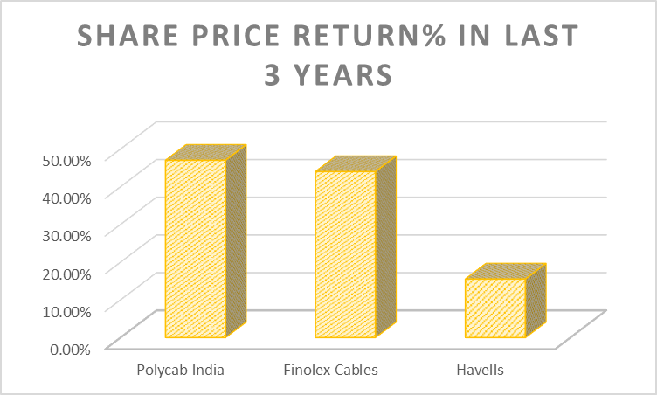
S.No. | Name | Current Price | Net Profit Latest Quarter | Share price return% in Last 3yrs
1 | Polycab India | 6349.85 | 401.62 | 47.00%
2 | Finolex Cables | 1537.25 | 146.22 | 44%
3 | Havells | 1826.8 | 407.51 | 15.52%

S.No. | Name | Current Price | Net Profit Latest Quarter | Share price return% in Last 1yrs
1 | Polycab India | 6349.85 | 401.62 | 35.00%
3 | Finolex Cables | 1537.25 | 146.22 | 54.00%
4 | Havells | 1826.8 | 407.51 | 37.78%
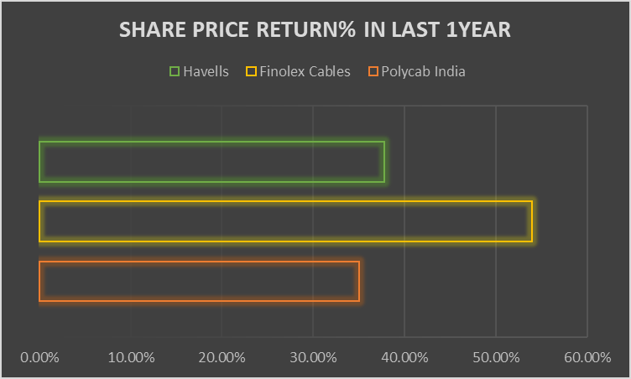

Name | Year Start (1.04.2023) | Year End (31.03.2024) | P1-P0 | % Return
Polycab India | 2880.05 | 5316.6 | 2436.55 | 84.60
Finolex Cables | 812.6 | 1001 | 188.4 | 23.18
Havells | 1188.5 | 1515 | 326.5 | 27.47

Risk Return
Year | ROE
2024 | 24.49
2023 | 21.18
2022 | 16.53
2021 | 19.73
2020 | 23.06
Standard Deviation | 3.0842292392

Standard deviation is on the lower end so that means that the comapny is consistently growing its income by taking on more risk

Key Graphs
Year | Company | Net Sales | % Change | EBITA | % Change | PAT | % Change | Total asset | Asset Turnover Ratio | Cash Flow | No of Employees | Sales per Employee | (All Figures are in Ten Millions INR)
FY24 | Polycab | 18051 | 32.84% | 2674 | 32.84% | 1770 | 32.84% | 11758 | 1.5 | 255.14 | 4666 | 3.9
 | Finolex | 5014 | 11.89% | 624.53 | 11.89% | 571.6 | 11.89% | 4628 | 1.1 | 93.08 | 0 | 0
 | Havells | 18550 | 9.97% | 2184 | 9.97% | 1273 | 9.97% | 12420 | 1.5 | 243.35 | 7449 | 2.5
FY23 | Polycab | 13912 | 40.08% | 2013 | 40.08% | 1272 | 40.08% | 9235 | 1.5 | 121.86 | 4485 | 3.1
 | Finolex | 4481 | 18.92% | 495.55 | 18.92% | 501.74 | 18.92% | 3963 | 1.1 | 63 | 1546 | 2.9
 | Havells | 16868 | 21.45% | 1899 | 21.45% | 1075 | 21.45% | 11143 | 1.5 | 405 | 6822 | 2.5
FY22 | Polycab | 12098 | 13.60% | 1437 | 13.60% | 806.95 | 13.60% | 7307 | 1.7 | 113.83 | 4431 | 2.7
 | Finolex | 3768 | 36.13% | 454.03 | 36.13% | 404.61 | 36.13% | 3600 | 1 | 32.39 | 1589 | 2.4
 | Havells | 13889 | 33.19% | 2018 | 33.19% | 1195 | 33.19% | 10505 | 1.3 | 763.7 | 5970 | 2.3
FY21 | Polycab | 8736 | -0.86% | 1265 | -0.86% | 831.33 | -0.86% | 6727 | 1.3 | 197.41 | 4651 | 1.9
 | Finolex | 2768 | -3.79% | 393.81 | -3.79% | 282.89 | -3.79% | 3252 | 0.9 | 24.6 | 1649 | 1.7
 | Havells | 10428 | 10.59% | 1814 | 10.59% | 1040 | 10.59% | 8820 | 1.2 | 326.57 | 5727 | 1.8
FY20 | Polycab | 8807 | 20.60% | 1276 | 20.60% | 760.95 | 21% | 5928 | 1.5 | 170.04 | 0 | 0
 | Finolex | 2877 | -6.50% | 408.81 | -6.50% | 402.48 | -6.50% | 3012 | 1 | 856.02 | 1762 | 1.6
 | Havells | 9429 | -6.24% | 1245 | -6.24% | 733.03 | -6.24% | 7048 | 1.3 | 242.09 | 5781 | 1.6

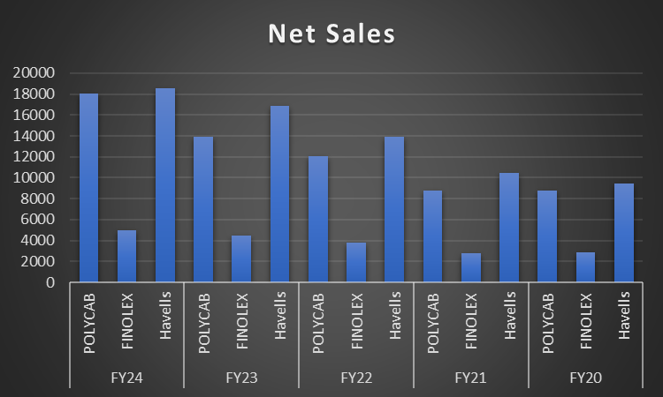
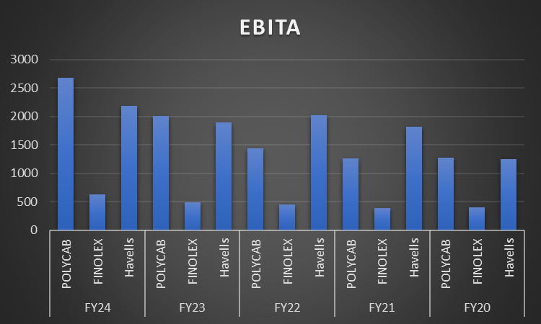
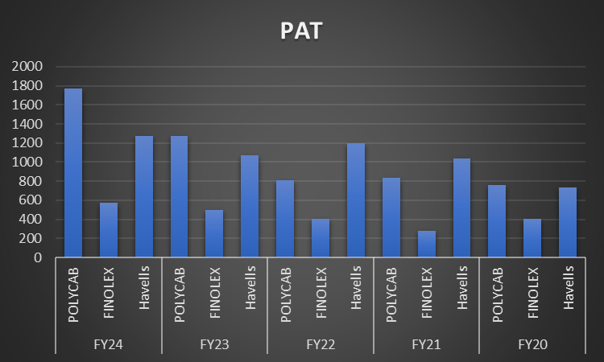

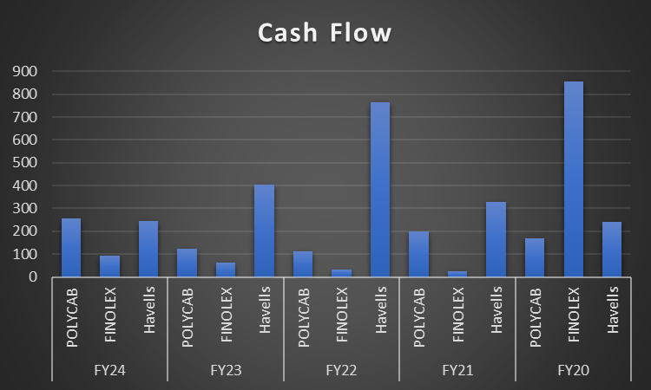
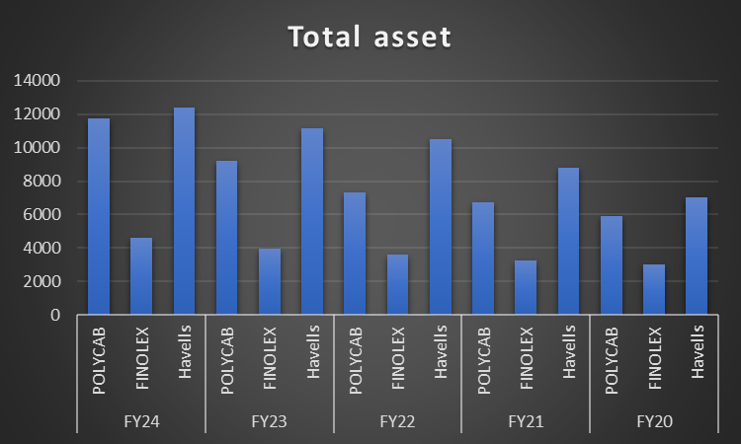

 |  | By analyzing the charts, it is evident that Havells has greater net sales than Polycab. However, despite higher net sales, Havells has lower EBITDA and PAT compared to Polycab, indicating higher expenses for Havells. Among the three companies, Havells and Polycab demonstrate efficient use of their assets to generate sales, while Finolex has an average asset utilization ratio of 0.84, suggesting room for improvement in optimizing their assets. Polycab leads in sales per employee, yet all three companies demonstrate efficient use of their workforce, as they have nearly equal ratios in this metric.

Key Ratios
Havells |  |  |  |  |  |  | Polycab |  |  |  |  |  |  | Finolex
Key Ratios | FY 24 | FY 23 | FY 22 | FY 21 | FY 20 | Average | Key Ratios | FY 24 | FY 23 | FY 22 | FY 21 | FY 20 | Average | Key Ratios | FY 24 | FY 23 | FY 22 | FY 21 | FY 20 | Average
ROE % | 18.12 | 17.06 | 21.43 | 21.97 | 17.15 | 19.14 | ROE % | 24 | 20.97 | 15.78 | 19.45 | 22.75 | 20.59 | ROE % | 14.44 | 14.39 | 13.02 | 9.98 | 15.60 | 13.49
ROA % | 10.81 | 9.93 | 12.37 | 13.11 | 10.3 | 11.3 | ROA % | 16.86 | 15.38 | 11.5 | 13.14 | 13.21 | 14.02 | ROA % | 13.31 | 13.27 | 11.81 | 9.03 | 13.92 | 12.27
ROOA % | 7.46 | 7.13 | 9.49 | 11.26 | 8.17 | 8.7 | ROOA % | 10.39 | 10.02 | 7.89 | 9.62 | 9.77 | 9.54 | ROOA % | 8.8 | 8.4 | 8.37 | 9.74 | 9.77 | 9.02
Net Profit % | 6.86 | 6.37 | 8.6 | 9.97 | 7.77 | 7.92 | Net Profit % | 9.81 | 9.14 | 6.67 | 9.52 | 8.64 | 8.76 | Net Profit % | 11.4 | 11.2 | 10.74 | 10.22 | 13.99 | 11.51
ROIC % | 17.4 | 15.4 | 21 | 17 | 12.9 | 16.74 | ROIC % | 21.78 | 19.03 | 16.35 | 17.9 | 19.36 | 18.88 | ROIC % | 10.21 | 9.94 | 6.94 | 6.97 | 13.02 | 9.42
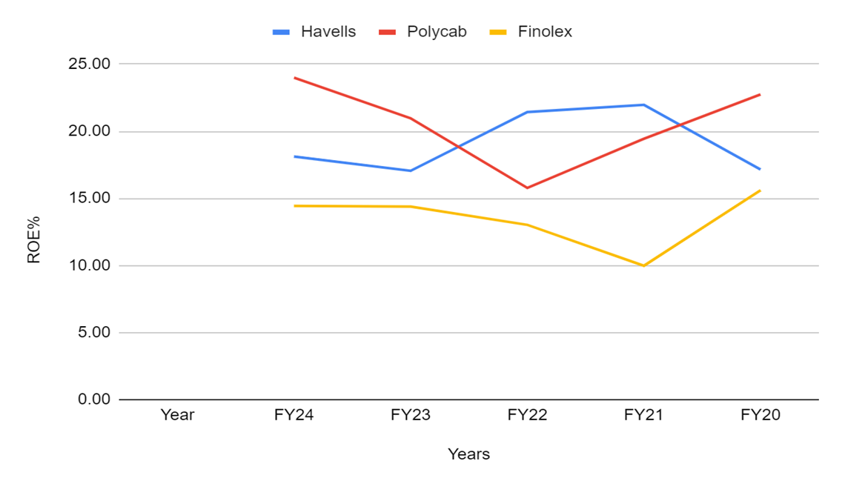
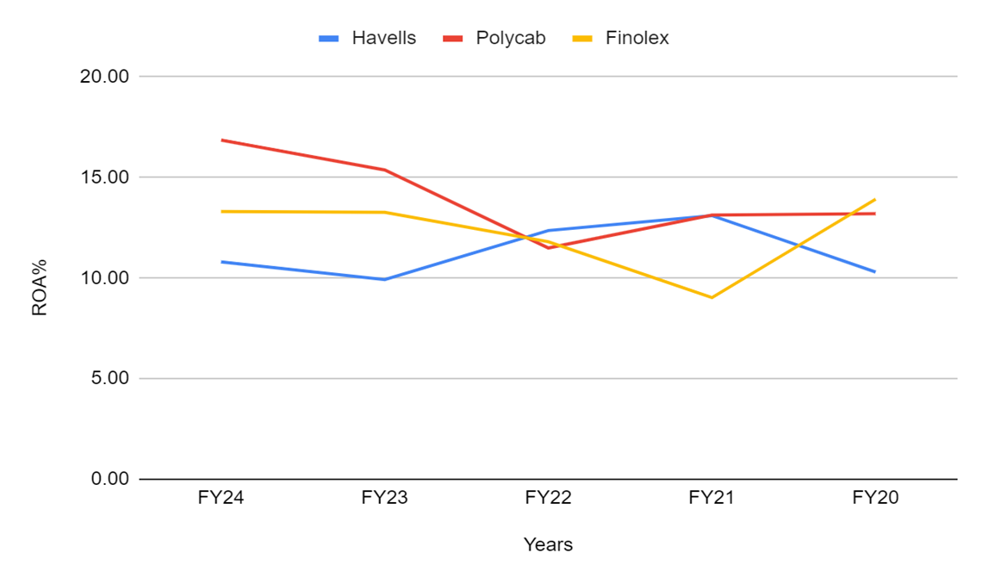
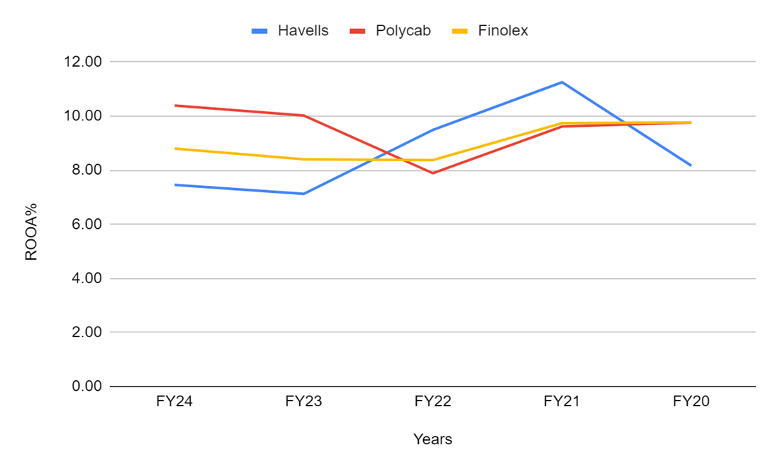

-Polycab has highest profitability and efficient use of equity by FY24. It has demonstrated a strong recovery in recent years, indicating the highest efficiency in generating profits from equity. - Havells showed a peak in ROE% in FY23 but experienced a decline in FY24, suggesting either a temporary setback or strategic decisions impacting profitability. -Finolex had the lowest ROE% through most of the period but showed signs of improvement in FY24, indicating potential for recovery in its equity utilization efficiency. |  |  |  |  |  |  | - Polycab has seen a declining trend in ROA% but has stabilized in recent years, suggesting consistent use of assets. - Havells shows more volatility with a dip and subsequent partial recovery, indicating fluctuating efficiency in asset utilization. - Finolex experienced a sharp drop followed by a strong recovery in ROA%, showing a significant improvement in asset utilization in FY24. |  |  |  |  |  |  | - All three companies have shown similar trends indicating that they are effectively utilizing their assets with Polycab has consistently maintained the highest ROOA% across most of the years. - Decline in Havels ROOA from FY23 to FY24 might indicate a strategy focused on future growth. Havells could be investing in increasing its total assets, which may temporarily lower its ROOA% - Finolex has maintained a relatively stable ROOA% over the years,

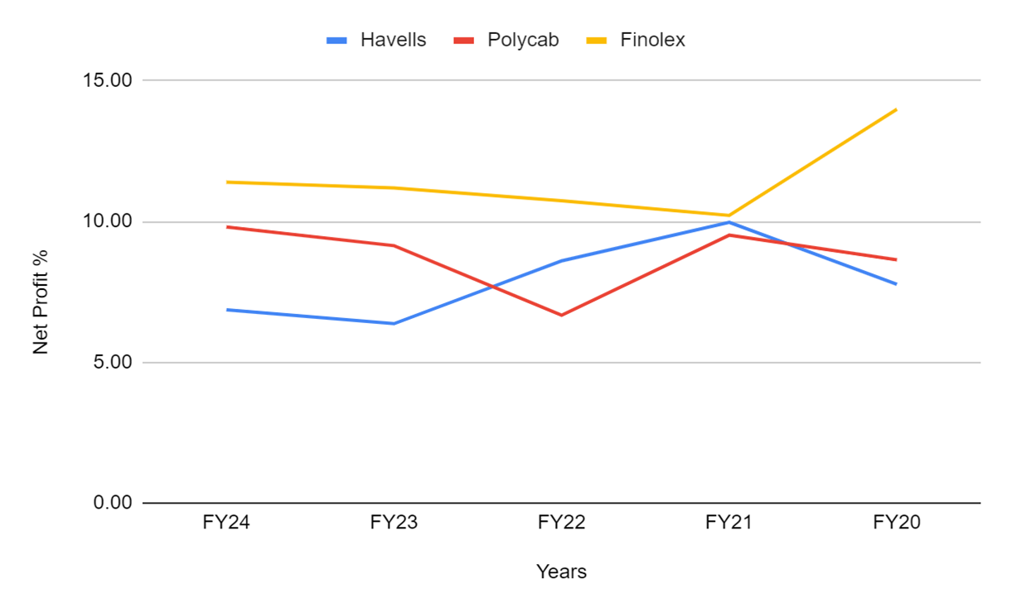
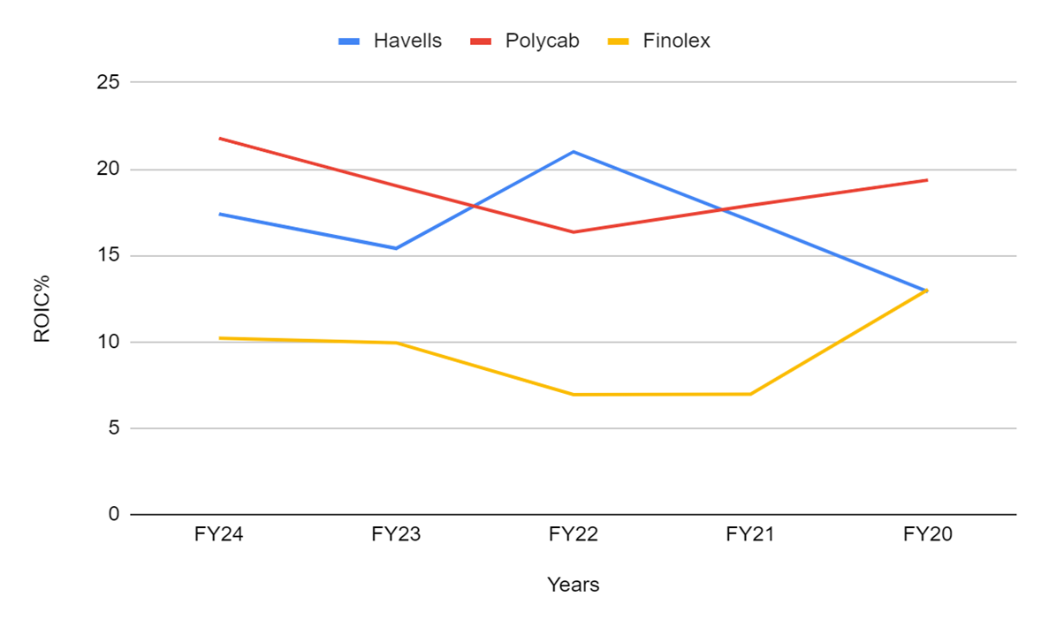

 |  |  | - Over period of 5 years havels providing maximum return on capital and will attract highest investor - Polycab remained relatively stable and has shown improvement, indicating solid management of invested capital. - Finolex’s sharp rise in FY24 signals a positive turnaround, possibly due to better capital management or improved profitability relative to capital employed. Overall, Polycab appears the most consistent, while Havells needs to address the recent downturn, and Finolex shows promising recovery signs. |  |  |  |  |  |  | - A significant upward trend is observed is Finolex, with a sharp increase in FY24, reaching the highest net profit percentage compared to the other companies. - Polycab's fluctuations suggest inconsistency, potentially due to market challenges or varying operational efficiencies - Havells showed steady growth with a slight downturn in the last year, indicating stable but cautious performance.

Ratio Workings
Units -Ten Millions INR
Havells |  |  |  |  |  |  | Polycab |  |  |  |  |  |  | Finolex
Financial INR 10 mn | FY 24 | FY 23 | FY 22 | FY 21 | FY 20 |  | Financial INR 10 mn | FY 24 | FY 23 | FY 22 | FY 21 | FY 20 |  | Financial INR 10 mn | FY 24 | FY 23 | FY 22 | FY 21 | FY 20
EAT | 1,273.00 | 1,075.00 | 1,195.00 | 1,040.00 | 733.03 |  | EAT | 1,770.00 | 1,272.00 | 806.95 | 831.33 | 760.95 |  | EAT | 571.60 | 501.74 | 404.61 | 282.89 | 402.48
Equity | 7,438.00 | 6,614.00 | 5,989.00 | 5,164.00 | 4,305.00 |  | Equity | 8,144.00 | 6,609.00 | 5,521.00 | 4,707.00 | 3,840.00 |  | Equity | 4,206.00 | 3,710.00 | 3,264.00 | 2,951.00 | 2,719.00
Average of Equity | 7,026.00 | 6,301.50 | 5,576.50 | 4,734.50 | 4,274.00 |  | Average of Equity | 7,376.50 | 6,065.00 | 5,114.00 | 4,273.50 | 3,344.50 |  | Average of Equity | 3,958.00 | 3,487.00 | 3,107.50 | 2,835.00 | 2,579.50
ROE % | 18.12 | 17.06 | 21.43 | 21.97 | 17.15 |  | ROE % | 24.00 | 20.97 | 15.78 | 19.45 | 22.75 |  | ROE % | 14.44 | 14.39 | 13.02 | 9.98 | 15.60

Financial INR 10 mn | FY 24 | FY 23 | FY 22 | FY 21 | FY 20 |  | Financial INR 10 mn | FY 24 | FY 23 | FY 22 | FY 21 | FY 20 |  | Financial INR 10 mn | FY 24 | FY 23 | FY 22 | FY 21 | FY 20
EAT | 1,273.00 | 1,075.00 | 1,195.00 | 1,040.00 | 733.03 |  | EAT | 1,770.00 | 1,272.00 | 806.95 | 831.33 | 760.95 |  | EAT | 571.60 | 501.74 | 404.61 | 282.89 | 402.48
Total Aseet | 12,420.00 | 11,143.00 | 10,505.00 | 8,820.00 | 7,048.00 |  | Total Aseet | 11,758.00 | 9,235.00 | 7,307.00 | 6,727.00 | 5,928.00 |  | Total Aseet | 4,628.00 | 3,963.00 | 3,600.00 | 3,252.00 | 3,012.00
Avg Total Asset | 11,781.50 | 10,824.00 | 9,662.50 | 7,934.00 | 7,113.50 |  | Avg Total Asset | 10,496.50 | 8,271.00 | 7,017.00 | 6,327.50 | 5,761.50 |  | Avg Total Asset | 4,295.50 | 3,781.50 | 3,426.00 | 3,132.00 | 2,890.50
ROA % | 10.81 | 9.93 | 12.37 | 13.11 | 10.30 |  | ROA % | 16.86 | 15.38 | 11.50 | 13.14 | 13.21 |  | ROA % | 13.31 | 13.27 | 11.81 | 9.03 | 13.92

 |  |  |  | Tax % | 0.25 |  |  |  |  |  | Tax % | 0.23 |  |  |  |  |  | Tax % | 0.24
Financial INR 10 mn | FY 24 | FY 23 | FY 22 | FY 21 | FY 20 |  | Financial INR 10 mn | FY 24 | FY 23 | FY 22 | FY 21 | FY 20 |  | Financial INR 10 mn | FY 24 | FY 23 | FY 22 | FY 21 | FY 20
EBIT | 1,845.00 | 1,603.00 | 1,758.00 | 1,565.00 | 1,027.00 |  | EBIT | 2,436.00 | 1,811.00 | 1,240.00 | 1,091.00 | 1,117.00 |  | EBIT | 580.68 | 495.55 | 415.18 | 354.85 | 369.90
NOPAT | 1,383.75 | 1,202.25 | 1,318.50 | 1,173.75 | 770.25 |  | NOPAT | 1,875.72 | 1,394.47 | 954.80 | 840.07 | 860.09 |  | NOPAT | 441.32 | 376.62 | 315.54 | 269.69 | 281.12
OA (OPERATING REVENUE) | 18,550.00 | 16,868.00 | 13,889.00 | 10,428.00 | 9,429.00 |  | OA (OPERATING REVENUE) | 18,051.00 | 13,912.00 | 12,098.00 | 8,736.00 | 8,807.00 |  | OA (OPERATING REVENUE) | 5,014.00 | 4,481.00 | 3,768.00 | 2,768.00 | 2,877.00
ROOA % | 7.46 | 7.13 | 9.49 | 11.26 | 8.17 |  | ROOA % | 10.39 | 10.02 | 7.89 | 9.62 | 9.77 |  | ROOA % | 8.80 | 8.40 | 8.37 | 9.74 | 9.77

Financial INR 10 mn | FY 24 | FY 23 | FY 22 | FY 21 | FY 20 |  | Financial INR 10 mn | FY 24 | FY 23 | FY 22 | FY 21 | FY 20 |  | Financial INR 10 mn | FY 24 | FY 23 | FY 22 | FY 21 | FY 20
EAT | 1,273.00 | 1,075.00 | 1,195.00 | 1,040.00 | 733.03 |  | EAT | 1,770.00 | 1,272.00 | 806.95 | 831.33 | 760.95 |  | EAT | 571.60 | 501.74 | 404.61 | 282.89 | 402.48
Net Sales | 18,550.00 | 16,868.00 | 13,889.00 | 10,428.00 | 9,429.00 |  | Net Sales | 18,051.00 | 13,912.00 | 12,098.00 | 8,736.00 | 8,807.00 |  | Net Sales | 5,014.00 | 4,481.00 | 3,768.00 | 2,768.00 | 2,877.00
Net Profit % | 6.86 | 6.37 | 8.60 | 9.97 | 7.77 |  | Net Profit % | 9.81 | 9.14 | 6.67 | 9.52 | 8.64 |  | Net Profit % | 11.40 | 11.20 | 10.74 | 10.22 | 13.99

Expense Analysis
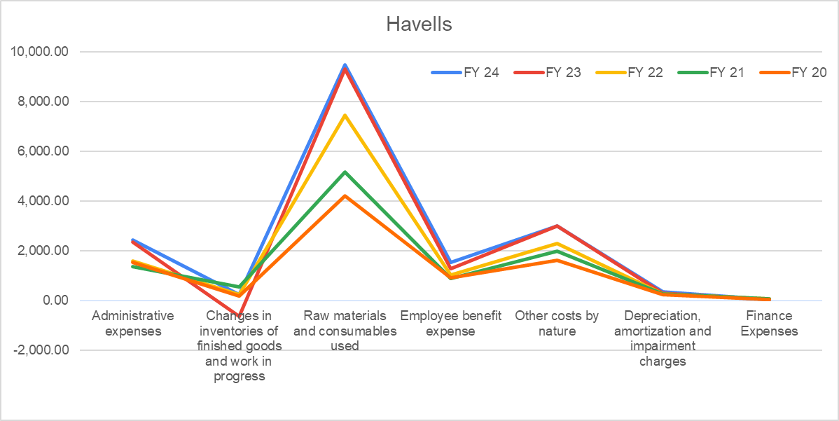
Expense Analysis

Havells
Financial INR 10 mn | FY 24 | FY 23 | FY 22 | FY 21 | FY 20
Administrative expenses | 2,432.00 | 2,332.00 | 1,578.00 | 1,369.00 | 1,529.00
Changes in inventories of finished goods and work in progress | 242.73 | -641.20 | 219.48 | 531.07 | 172.74
Raw materials and consumables used | 9,483.00 | 9,318.00 | 7,465.00 | 5,159.00 | 4,196.00
Employee benefit expense | 1,541.00 | 1,262.00 | 1,015.00 | 885.33 | 899.58
Other costs by nature | 3,006.00 | 2,995.00 | 2,293.00 | 1,980.00 | 1,604.00
Depreciation, amortization and impairment charges | 338.48 | 296.11 | 260.83 | 248.86 | 217.91
Finance Expenses | 45.71 | 33.62 | 53.41 | 72.64 | 19.72

Over the past five years, Havells has seen a consistent increase in various expenses, indicating significant business growth and expansion. Administrative and employee benefit expenses have risen, suggesting investments in workforce and operational capabilities. Raw material costs have also increased, likely due to expanded production activities or rising material prices. Fluctuations in inventory changes reflect shifts in production and sales alignment. Depreciation and finance expenses have varied, hinting at ongoing capital investments and financial restructuring. Overall, Havells appears to be in a strategic growth phase, focusing on expanding operations and strengthening its market presence.

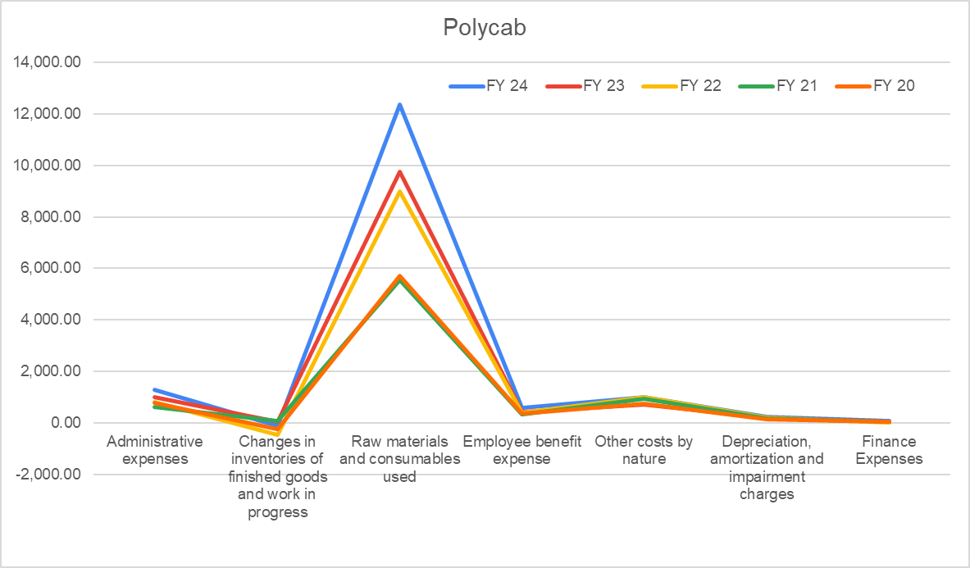
Polycab
Financial INR 10 mn | FY 24 | FY 23 | FY 22 | FY 21 | FY 20
Administrative expenses | 1,301.00 | 1,011.00 | 830.54 | 623.19 | 769.54
Changes in inventories of finished goods and work in progress | -93.27 | 59.03 | -468.61 | 70.19 | -236.87
Raw materials and consumables used | 12,351.00 | 9,744.00 | 8,976.00 | 5,543.00 | 5,723.00
Employee benefit expense | 586.61 | 442.86 | 394.84 | 349.30 | 361.73
Other costs by nature | 994.33 | 707.84 | 1,013.00 | 951.65 | 755.44
Depreciation, amortization and impairment charges | 237.14 | 202.39 | 196.56 | 174.01 | 159.08
Finance Expenses | 100.44 | 56.06 | 33.42 | 41.12 | 47.90

Over the past five years, Polycab's expenses have steadily increased across various categories, indicating significant business growth and expansion. Administrative and employee benefit expenses have risen, suggesting investments in infrastructure and human resources to support expansion. The substantial increase in raw material costs reflects higher production levels, likely due to increased demand or strategic growth initiatives. Fluctuations in inventory changes point to variability in production and inventory management strategies. Rising depreciation and finance expenses suggest ongoing capital investments and financial restructuring. Overall, Polycab appears to be in a growth phase, focusing on expanding its operations and market presence.

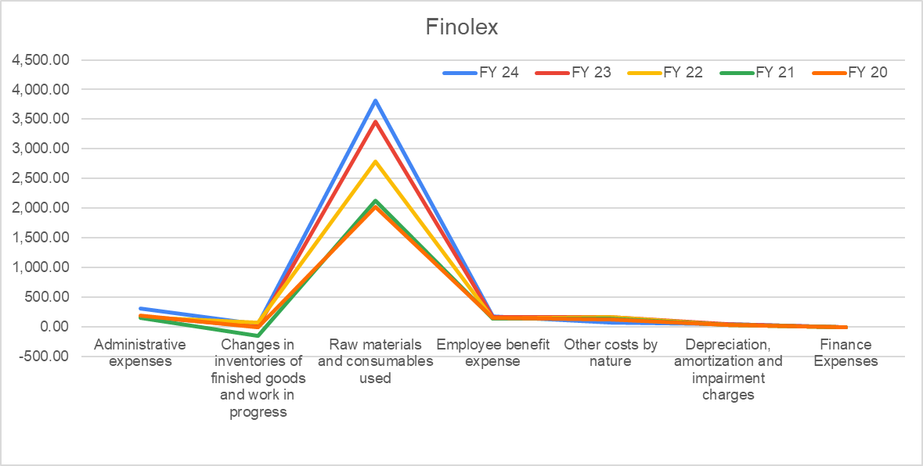
Finolex
Financial INR 10 mn | FY 24 | FY 23 | FY 22 | FY 21 | FY 20
Administrative expenses | 308.07 | 183.72 | 168.95 | 159.99 | 199.06
Changes in inventories of finished goods and work in progress | 54.99 | 6.57 | 78.83 | -154.71 | 0.03
Raw materials and consumables used | 3,817.00 | 3,459.00 | 2,794.00 | 2,130.00 | 2,026.00
Employee benefit expense | 177.31 | 162.67 | 146.08 | 137.87 | 149.53
Other costs by nature | 75.92 | 173.28 | 165.48 | 140.2 | 132.63
Depreciation, amortization and impairment charges | 43.85 | 46.4 | 38.85 | 38.96 | 38.91
Finance Expenses | 2.03 | 1.24 | 1.52 | 0.76 | 1.55

Finolex's expenses have shown notable trends over FY20-FY24. Administrative expenses and raw material costs have steadily increased, suggesting potential expansion and inflationary pressures. Employee benefit expenses also rose, reflecting investment in human resources. Fluctuations in inventory changes and other costs by nature highlight adjustments in operations and possible cost optimizations. Depreciation and finance expenses remained relatively stable, indicating efficient asset management and minimal debt reliance. Overall, while the company seems to be managing growth, rising costs could challenge future profitability if not carefully controlled.

Trend Analysis
Polycab |  |  |  |  |  | Finolex |  |  |  |  |  | Havells
Financial INR 10 mn | FY 20 | FY 21 | FY 22 | FY 23 | FY 24 | Financial INR 10 mn | FY 20 | FY 21 | FY 22 | FY 23 | FY 24 | Financial INR 10 mn | FY 20 | FY 21 | FY 22 | FY 23 | FY 24
Sales | 8,807 | 8,736 | 12,098 | 13,912 | 18,051 | Sales | 2,877 | 2,768 | 3,768 | 4,481 | 5,014 | Sales | 9,429 | 10,428 | 13,889 | 16,868 | 18,550
Sales Growth % | 100% | 99% | 137% | 158% | 205% | Sales Growth % | 100% | 96% | 131% | 156% | 174% | Sales Growth% | 100% | 111% | 147% | 179% | 197%
PAT | 761 | 831 | 807 | 1,272 | 1,770 | PAT | 402 | 283 | 405 | 502 | 572 | PAT | 733 | 1,040 | 1,195 | 1,075 | 1,273
Profit Growth% | 100% | 109% | 106% | 167% | 233% | Profit Growth % | 100% | 70% | 101% | 125% | 142% | Profit Growth % | 100% | 142% | 163% | 147% | 174%
Total asset | 5,928 | 6,727 | 7,307 | 9,235 | 11,758 | Total asset | 3,012 | 3,252 | 3,600 | 3,963 | 4,628 | Total asset | 7,048 | 8,820 | 10,505 | 11,143 | 12,420
Asset growt% | 100% | 113% | 123% | 156% | 198% | Asset Growth % | 100% | 108% | 120% | 132% | 154% | Asset Growth % | 100% | 125% | 149% | 158% | 176%

Sales Growth
Profit Growth
Asset Growth

The Sales growth of all the three companies is strong, all the three companies have almost doubled their sales in the past 5 years, this shows that the overall market of wires and cables have increased.
However, Polycab has beaten both of its competitors and has showed the maximum growth in terms of percentages.
The profit growth of all the 3 companies shows the upward trend showcsing the stability of all the 3 companies.
However, Polycab has beaten its competitors and has almost made their profits 2.5x in half a decade.
There is a slump in the year 2021 for all the 3 companies except Havells that was more resilient than the other 2 peers, this slump is due to advent of pandemic.
All the 3 companies has increased their assets in the last 5 years. However, growth is maximum in Polycab, it has almost doubed its assets as compared to 2019.
The other 2 companies also show a robust growth in asset over the past 5 years, this growth in asset can also be a factor in increased profits for all the 3 companies.

